Checklist
Checklist Labels

Customer:
Project-Nr.:
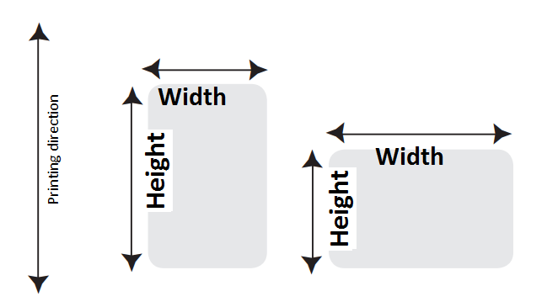
Size: |  |  |  | x |  | mm
 |  |  | Width |  | Height

Tolerances size:

Backing width:

Quantity |  |  | 20000 |  | Productions / Supplies

Material: |  | Semi gloss Paper |  | Material quality:

Upper Material: |  | gloss white

Adhesive: |  | extra strong adhesiv

Print: |  | blanc |  |  |  | CMYK / Pantone colours
Varnish: |  | no |  |  |  | Varnish Cover: ca. |  |  | % (if known)

Printingprocess: |  | UV-Flexo

Preprint by thermal-
transfer printer
Version: |  | Roll
Label form |  | rectangular

Core-Ø: |  | 1"-Core (25,4mm) |  |  |  | Roll-Ø outside:

Labels / Roll: |  |  |  |  |  |  | Application: | no

Print-System:

Labels across: |  |  |  |  | Roll length:

Winding: |  |  | 5 = outside winding, foot leading |  |  |  | (see sketch below!)

 | Slit surface material |  |  |  | Slit silicon paper |  | Punched out hole

 | Laminating |  |  |  | Delaminating (gluefree zone)

 | Print on the rear |  |  |  | Cut-out for |  | pinfeed
 |  |  |  |  | photo-celle
 | Perforation after: |  |  | Etiketten |  |  | Perforation in the label

Surface: |  |  |  |  |  | Surface quality: |  | curved

Attributes:

Sticking temperature: |  |  |  |  |  | Temperature when use:

Application mode: |  |  | outside

Resistance:
 | Water |  | Oil |  | Alcohol |  | Solvent

 | Chemicals |  |  |  | Other:

Application description

Price: |  |  |  | + | %20VAT
 |  |  |  |  | ,
Delivery conditions:

Attachments:
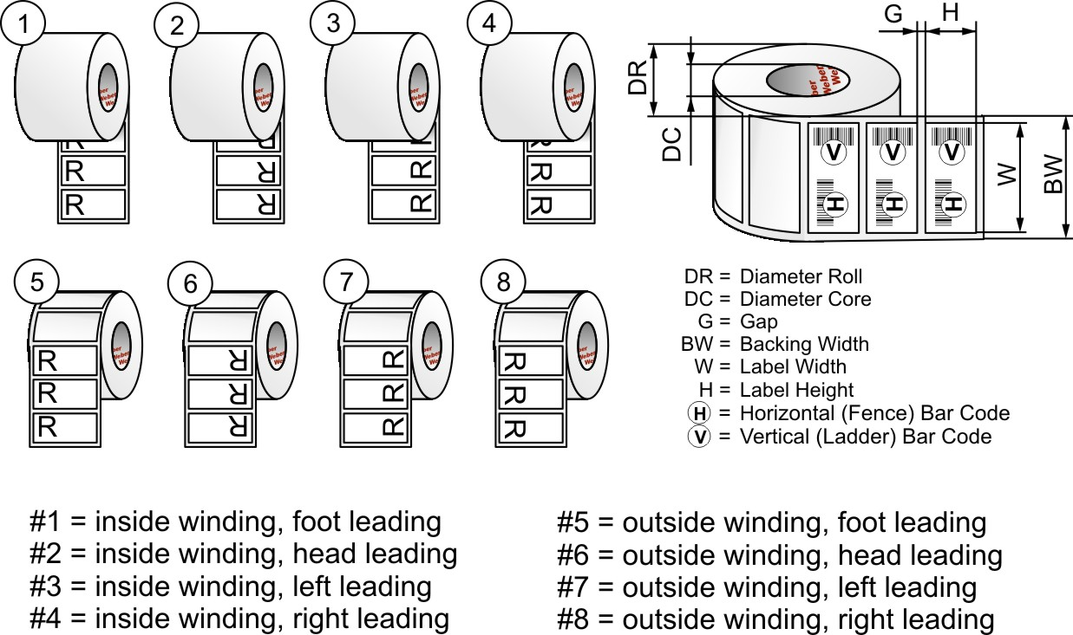

FB0013; Rev 04.21

